Results
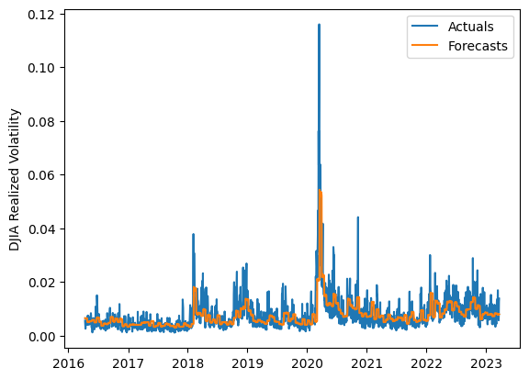
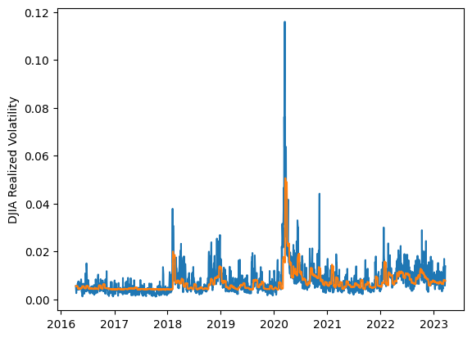
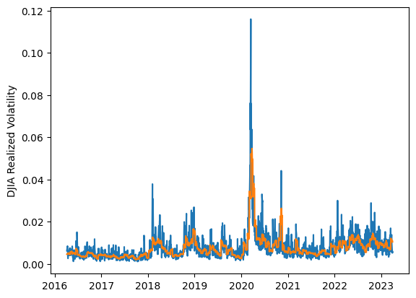
 | LSTM |  |  | TCN |  |  | NBEATSx |  |  |  |  | LSTM |  |  | TCN |  |  | NBEATSx
 | Accuracy | RMSE | Qlike | Accuracy | RMSE | Qlike | Accuracy | RMSE | Qlike |  |  | Accuracy | RMSE | Qlike | Accuracy | RMSE | Qlike | Accuracy | RMSE | Qlike
Trial 1 | 57.33% | 0.295% | 0.127 | 59.25% | 0.294% | 0.124 | 63.28% | 0.274% | 0.102 |  | Mean | 58.12% | 0.298% | 0.127 | 57.72% | 0.297% | 0.128 | 63.22% | 0.273% | 0.102
Trial 2 | 62.87% | 0.295% | 0.117 | 59.41% | 0.293% | 0.121 | 62.39% | 0.278% | 0.104 |  | Standard Deviation | 2.65% | 0.005% | 0.006 | 2.24% | 0.007% | 0.007 | 0.79% | 0.004% | 0.003
Trial 3 | 60.49% | 0.298% | 0.122 | 54.93% | 0.297% | 0.136 | 63.84% | 0.269% | 0.099 |  | 95% CI upper bound | 63.42% | 0.309% | 0.140 | 62.19% | 0.310% | 0.142 | 64.80% | 0.282% | 0.107
Trial 4 | 57.98% | 0.293% | 0.126 | 58.34% | 0.296% | 0.124 | 63.36% | 0.270% | 0.098 |  | 95% CI lower bound | 52.83% | 0.287% | 0.115 | 53.25% | 0.283% | 0.113 | 61.64% | 0.264% | 0.096
Trial 5 | 54.63% | 0.300% | 0.136 | 59.37% | 0.296% | 0.123 | 61.68% | 0.282% | 0.108 |  | 99.7% CI upper bound | 66.06% | 0.315% | 0.146 | 64.42% | 0.317% | 0.149 | 65.59% | 0.286% | 0.110
Trial 6 | 57.26% | 0.298% | 0.128 | 59.33% | 0.291% | 0.121 | 63.25% | 0.272% | 0.100 |  | 99.7% CI lower bound | 50.18% | 0.282% | 0.109 | 51.01% | 0.276% | 0.106 | 60.85% | 0.260% | 0.093
Trial 7 | 57.95% | 0.294% | 0.126 | 52.66% | 0.320% | 0.146 | 63.49% | 0.272% | 0.101
Trial 8 | 61.36% | 0.290% | 0.117 | 56.06% | 0.298% | 0.132 | 64.14% | 0.270% | 0.100
Trial 9 | 56.34% | 0.298% | 0.131 | 57.71% | 0.297% | 0.128 | 64.14% | 0.270% | 0.102
Trial 10 | 62.60% | 0.302% | 0.123 | 59.60% | 0.294% | 0.123 | 64.63% | 0.266% | 0.100
Trial 11 | 59.39% | 0.302% | 0.126 | 56.74% | 0.294% | 0.129 | 62.37% | 0.278% | 0.103
Trial 12 | 56.49% | 0.296% | 0.130 | 59.97% | 0.293% | 0.122 | 62.67% | 0.278% | 0.106
Trial 13 | 56.30% | 0.311% | 0.135 | 59.96% | 0.292% | 0.120 | 62.60% | 0.275% | 0.102
Trial 14 | 54.96% | 0.307% | 0.136 | 54.83% | 0.299% | 0.136 | 62.98% | 0.269% | 0.098
Trial 15 | 55.88% | 0.297% | 0.132 | 57.59% | 0.296% | 0.128 | 63.49% | 0.272% | 0.101

 | LSTM (best trial) |  |  |  |  |  |  |  |  | TCN (best trial) |  |  |  |  |  |  |  |  | NBEATSx (best trial)

